Exec Presentation - Outline
Executive Presentation - Outline

The need for a presentation
At some point, there may be a need to formally present the proposed sustainability initiative / project to an executive. If the company has a prescribed template for that kind of presentation, use it. If it does not, the template below may be useful. It can also be used as the outline for an accompanying written proposal. Much of the information suggested by the outline is readily available from various worksheets in the Sustainability ROI Workbook (SRW). Remember, the more managers that you actively engage in defining possible benefits and costs for the initiative, the higher the credibility of your proposal, especially if they co-sign or co-present your proposal.
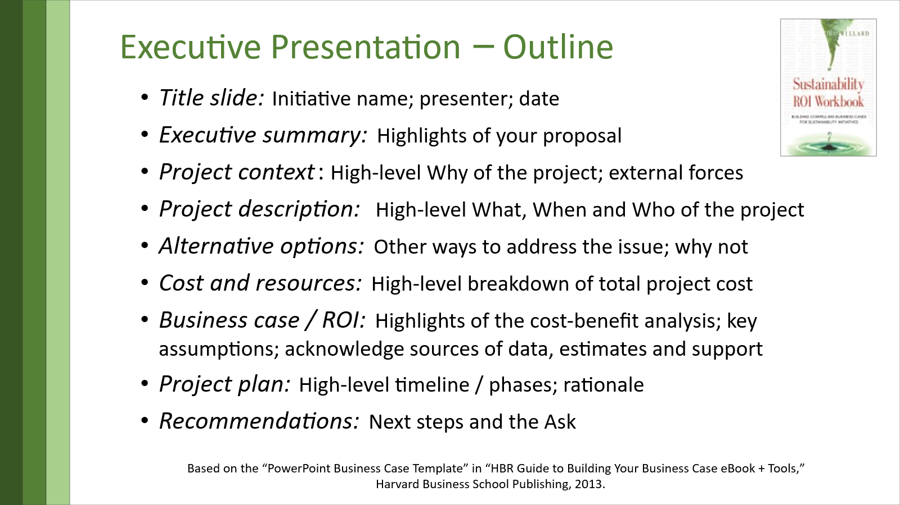

Presentation / proposal outline - additional guidance
Title slide / page: Name of project being proposed; name of presenter(s); date
Executive summary: Highlights of your proposal (Create this last)
Project context: High-level description of the Why of the project Include relevant industry trends; competitors' actions on these issues; business need for the project and urgency to act; risks if of not doing the project; project alignment with company Purpose, Vision, Mission, Values, and long-term business / sustainability strategies and goals. Stress the benefits. Cite conversations with customers and other executives.
Project description: High-level description of What, When and Who of the project Outline the project objectives, project scope and plan. i.e., if it applies to the entire company, all departments, or a subset
Alternative options: Other ways to address the issues Outline other options that you considered and reasons why you chose this project. Be careful not to bad-mouth other projects because you may be back to seek approval for projects like them next / later. Acknowledge them and provide rationale for this project over the others, at this time. Cite discussions with other managers.
Cost and resources: High-level breakdown of total project costs Show operating costs (OpEx) required for each project phase and budgets that will be impacted. Show internal and external resources needed. Show capital expenditure (CapEx) required and proposed sources of funds.
Business case / ROI: Highlights of the cost-benefit analysis Show the payback period, NPV and IRR. Include the revenue increase; operating expenses savings; employee expense savings / productivity gain; any asset value and/or market value increases; risks of doing and NOT doing the project; and alignment with company Purpose and Mission. Include key assumptions and how your made them. Acknowledge sources and support from others. Include how you will measure success.
Project plan: High-level timeline / phases Show financial and human resources needed and when; explain your rationale for when it starts and ends; include internal and external communication plans. Timing and resource allocations should align with the Cost and Resources section.
Summary & Recommendations: Next steps and the Ask Repeat the Executive Summary, recommend approval with any necessary conditions, and outline the next three steps. Request approval to proceed and visible support from executives to ensure project success.

